CategoryStats
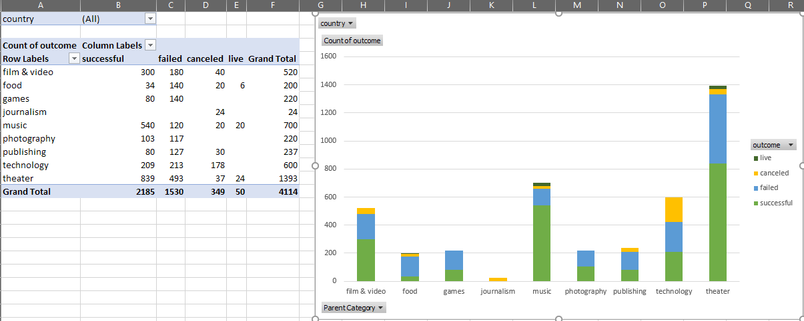
 | successful | failed | canceled | live
film & video | 300 | 180 | 40
food | 34 | 140 | 20 | 6
games | 80 | 140
journalism |  |  | 24
music | 540 | 120 | 20 | 20
photography | 103 | 117
publishing | 80 | 127 | 30
technology | 209 | 213 | 178
theater | 839 | 493 | 37 | 24
country | (All)

Count of name | Column Labels
Row Labels | successful | failed | canceled | live | Grand Total
film & video | 300 | 180 | 40 |  | 520
food | 34 | 140 | 20 | 6 | 200
games | 80 | 140 |  |  | 220
journalism |  |  | 24 |  | 24
music | 540 | 120 | 20 | 20 | 700
photography | 103 | 117 |  |  | 220
publishing | 80 | 127 | 30 |  | 237
technology | 209 | 213 | 178 |  | 600
theater | 839 | 493 | 37 | 24 | 1393
Grand Total | 2185 | 1530 | 349 | 50 | 4114

REFERENCE IMAGE:

SubcategoryStats
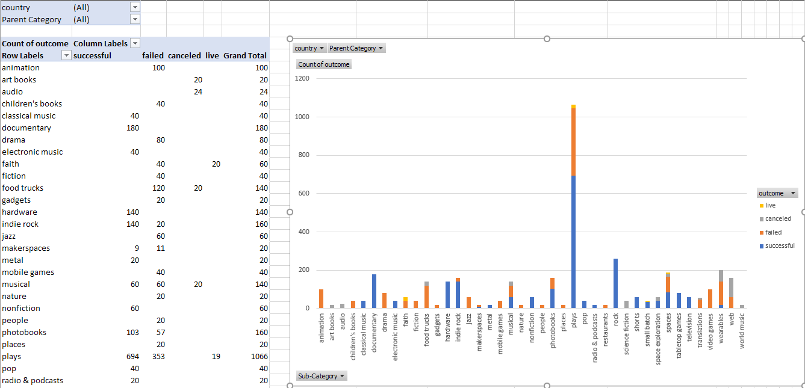
country | (All)
Parent category | (All)
 | successful | failed | canceled | live
animation |  | 100
art books |  |  | 20
audio |  |  | 24
children's books |  | 40
classical music | 40
documentary | 180
drama |  | 80
electronic music | 40
faith |  | 40 |  | 20
fiction |  | 40
food trucks |  | 120 | 20
gadgets |  | 20
hardware | 140
indie rock | 140 | 20
jazz |  | 60
makerspaces | 9 | 11
metal | 20
mobile games |  | 40
musical | 60 | 60 | 20
nature |  | 20
nonfiction | 60
people |  | 20
photobooks | 103 | 57
places |  | 20
plays | 694 | 353 |  | 19
pop | 40
radio & podcasts | 20
restaurants |  | 20
rock | 260
science fiction |  |  | 40
shorts | 60
small batch | 34 |  |  | 6
space exploration | 40 | 2 | 18
spaces | 85 | 80 | 17 | 5
tabletop games | 80
television | 60
translations |  | 47 | 10
video games |  | 100
wearables | 20 | 120 | 60
web |  | 60 | 100
world music |  |  | 20
Count of name | Column Labels
Row Labels | successful | failed | canceled | live | Grand Total
animation |  | 100 |  |  | 100
art books |  |  | 20 |  | 20
audio |  |  | 24 |  | 24
children's books |  | 40 |  |  | 40
classical music | 40 |  |  |  | 40
documentary | 180 |  |  |  | 180
drama |  | 80 |  |  | 80
electronic music | 40 |  |  |  | 40
faith |  | 40 |  | 20 | 60
fiction |  | 40 |  |  | 40
food trucks |  | 120 | 20 |  | 140
gadgets |  | 20 |  |  | 20
hardware | 140 |  |  |  | 140
indie rock | 140 | 20 |  |  | 160
jazz |  | 60 |  |  | 60
makerspaces | 9 | 11 |  |  | 20
metal | 20 |  |  |  | 20
mobile games |  | 40 |  |  | 40
musical | 60 | 60 | 20 |  | 140
nature |  | 20 |  |  | 20
nonfiction | 60 |  |  |  | 60
people |  | 20 |  |  | 20
photobooks | 103 | 57 |  |  | 160
places |  | 20 |  |  | 20
plays | 694 | 353 |  | 19 | 1066
pop | 40 |  |  |  | 40
radio & podcasts | 20 |  |  |  | 20
restaurants |  | 20 |  |  | 20
rock | 260 |  |  |  | 260
science fiction |  |  | 40 |  | 40
shorts | 60 |  |  |  | 60
small batch | 34 |  |  | 6 | 40
space exploration | 40 | 2 | 18 |  | 60
spaces | 85 | 80 | 17 | 5 | 187
tabletop games | 80 |  |  |  | 80 | 0.25911521633 | 0.65103189493
television | 60 |  |  |  | 60
translations |  | 47 | 10 |  | 57
video games |  | 100 |  |  | 100
wearables | 20 | 120 | 60 |  | 200
web |  | 60 | 100 |  | 160
world music |  |  | 20 |  | 20
Grand Total | 2185 | 1530 | 349 | 50 | 4114

GRAPH OF REFERENCE:

LaunchDateOutcomes
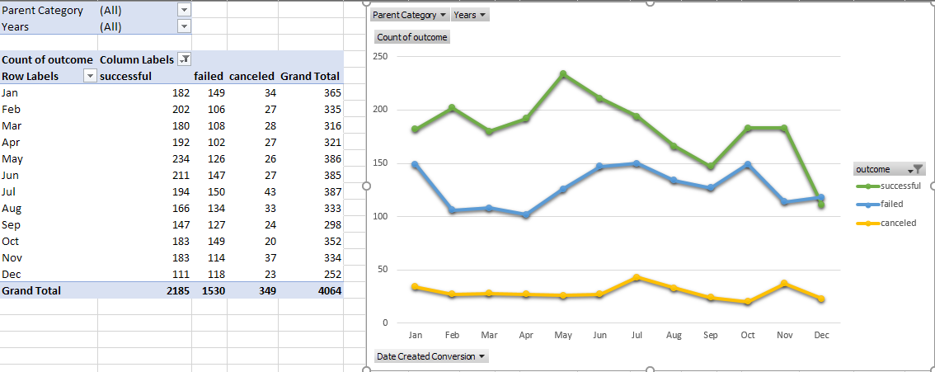
Parent category | (All)
Year Created | (All)

Count of state | Column Labels
Row Labels | successful | failed | canceled | Grand Total
Jan | 183 | 149 | 34 | 366
Feb | 202 | 105 | 27 | 334
Mar | 179 | 108 | 28 | 315
Apr | 193 | 103 | 27 | 323
May | 233 | 126 | 26 | 385
Jun | 213 | 148 | 27 | 388
Jul | 192 | 148 | 44 | 384
Aug | 167 | 134 | 32 | 333
Sep | 148 | 127 | 24 | 299
Oct | 184 | 150 | 20 | 354
Nov | 180 | 113 | 37 | 330
Dec | 111 | 119 | 23 | 253
Grand Total | 2185 | 1530 | 349 | 4064

LaunchDateOutcomes (2)
Parent category | (All)
Years | (All)

Count of state | Column Labels
Row Labels | successful | failed | canceled | Grand Total
Jan | 183 | 149 | 34 | 366
Feb | 202 | 105 | 27 | 334
Mar | 179 | 108 | 28 | 315
Apr | 193 | 103 | 27 | 323
May | 233 | 126 | 26 | 385
Jun | 213 | 148 | 27 | 388
Jul | 192 | 148 | 44 | 384
Aug | 167 | 134 | 32 | 333
Sep | 148 | 127 | 24 | 299
Oct | 184 | 150 | 20 | 354
Nov | 180 | 113 | 37 | 330
Dec | 111 | 119 | 23 | 253
Grand Total | 2185 | 1530 | 349 | 4064

BONUS GoalOutcomes
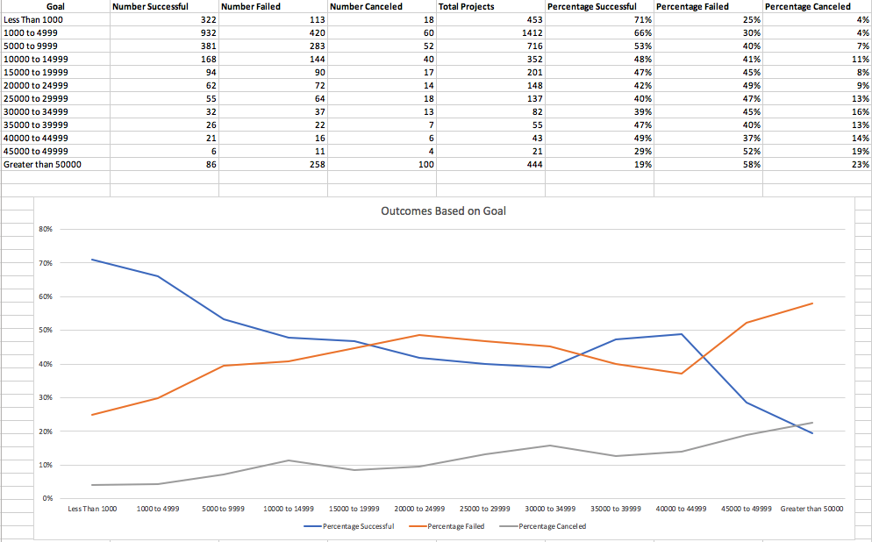
Goal | Number Successful | Number Failed | Number Canceled | Total Projects | Percentage Successful | Percentage Failed | Percentage Canceled
Less Than 1000 | 322 | 113 | 18 | 453 | 71% | 25% | 4%
1000 to 4999 | 932 | 420 | 60 | 1412 | 66% | 30% | 4%
5000 to 9999 | 381 | 283 | 52 | 716 | 53% | 40% | 7%
10000 to 14999 | 168 | 144 | 40 | 352 | 48% | 41% | 11%
15000 to 19999 | 94 | 90 | 17 | 201 | 47% | 45% | 8%
20000 to 24999 | 62 | 72 | 14 | 148 | 42% | 49% | 9%
25000 to 29999 | 55 | 64 | 18 | 137 | 40% | 47% | 13%
30000 to 34999 | 32 | 37 | 13 | 82 | 39% | 45% | 16%
35000 to 39999 | 26 | 22 | 7 | 55 | 47% | 40% | 13%
40000 to 44999 | 21 | 16 | 6 | 43 | 49% | 37% | 14%
45000 to 49999 | 6 | 11 | 4 | 21 | 29% | 52% | 19%
Greater than or equal to 50000 | 86 | 258 | 100 | 444 | 19% | 58% | 23%
Total | 2185 | 1530 | 349 | 4064 | 54% | 38% | 9%

Outcome Based on Goal

REFERENCE IMAGE:

Instructions
#Unit 1 | Assignment - KickStart My Chart
## Background
Over two billion dollars have been raised using the massively successful crowdfunding service, Kickstarter, but not every project has found success. Of the over 300,000 projects launched on Kickstarter, only a third have made it through the funding process with a positive outcome.
Since getting funded on Kickstarter requires meeting or exceeding the project's initial goal, many organizations spend months looking through past projects in an attempt to discover some trick to finding success. For this week's homework, you will organize and analyze a database of four thousand past projects in order to uncover any hidden trends.
## Instructions
![Kickstarter Table](Images/FullTable.PNG)
* Using the Excel table provided, you will be modifying and analyzing the data of four thousand past Kickstarter projects as you attempt to uncover some of the market trends.
* Use conditional formatting to fill each cell in the `state` column with a different color, depending on whether the associated campaign was "successful," "failed," "cancelled," or is currently "live". (DONE)
* Create a new column at column O called `percent funded` that uses a formula to uncover how much money a campaign made towards reaching its initial goal. (DONE)
* Use conditional formatting to fill each cell in the `percent funded` column using a three-color scale. The scale should start at 0 and be a dark shade of red, transitioning to green at 100, and then moving towards blue at 200. (DONE)
* Create a new column at column P called `average donation` that uses a formula to uncover how much each backer for the project paid on average. (DONE)
* Create two new columns, one called `category` at Q and another called `sub-category` at R, which use formulas to split the `Category and Sub-Category` column into two parts. (DONE)
![Category Stats](Images/CategoryStats.PNG)
* Create a new sheet with a pivot table that will analyze your initial worksheet to count how many campaigns were "successful," "failed," "cancelled," or are currently "live" per **category**. (DONE)
* Create a stacked column pivot chart that can be filtered by `country` based on the table you have created. (DONE)
![Subcategory Stats](Images/SubcategoryStats.PNG)
* Create a new sheet with a pivot table that will analyze your initial sheet to count how many campaigns were "successful," "failed," "cancelled," or are currently "live" per **sub-category**. (DONE)
* Create a stacked column pivot chart that can be filtered by `country` and `parent-category` based on the table you have created. (DONE)
* The dates stored within the `deadline` and `launched_at` columns are using unix timestamps. Fortunately for us, [there is a formula](http://spreadsheetpage.com/index.php/tip/converting_unix_timestamps/) out there that can be used to convert these timestamps into a normal date.
* Create a new column named `Date Created Conversion` that will use [this formula](http://spreadsheetpage.com/index.php/tip/converting_unix_timestamps/) to convert the data contained within `launched_at` into Excel's Date format (DONE)
* Create a new column named `Date Ended Conversion` that will use [this formula](http://spreadsheetpage.com/index.php/tip/converting_unix_timestamps/) to convert the data contained within `deadline` into Excel's Date format (DONE)
![Outcomes Based on Launch Date](Images/LaunchDateOutcomes.PNG)
* Create a new sheet with a pivot table with a column of `state`, rows of `Date Created Conversion`, values based on the count of `state`, and filters based on `parent category` and `Years`. (DONE)
* Now create a pivot chart line graph that visualizes this new table. (DONE)
* Create a report in Microsoft Word and answer the following questions...
1. What are three conclusions we can make about Kickstarter campaigns given the provided data?
2. What are some of the limitations of this dataset?
3. What are some other possible tables/graphs that we could create?
## Bonus
* Create a new sheet with 8 columns: `Goal`, `Number Successful`, `Number Failed`, `Number Canceled`, `Total Projects`, `Percentage Successful`, `Percentage Failed`, and `Percentage Canceled` (DONE)
* In the `goal` column, create twelve rows with the following headers... (DONE)
* Less Than 1000
* 1000 to 4999
* 5000 to 9999
* 10000 to 14999
* 15000 to 19999
* 20000 to 24999
* 25000 to 29999
* 30000 to 34999
* 35000 to 39999
* 40000 to 44999
* 45000 to 49999
* Greater than or equal to 50000
![Goal Outcomes](Images/GoalOutcomes.PNG)
* Using the `COUNTIFS()` formula, count how many successful, failed, and canceled projects were created with goals within those ranges listed above. Populate the `Number Successful`, `Number Failed`, and `Number Canceled` columns with this data. (DONE)
* Add up each of the values in the `Number Successful`, `Number Failed`, and `Number Canceled` columns to populate the `Total Projects` column. Then, using a mathematic formulae, find the percentage of projects which were successful, failed, or were canceled per goal range. (DONE)
* Create a line chart which graphs the relationship between a goal's amount and its chances at success, failure, or cancellation. (DONE)
## Submission
* To submit, please upload the solution and files to a Github repo, dropbox, or google drive and submit the link to <https://bootcampspot.com/>.
- - -
### Copyright
Trilogy Education Services © 2017. All Rights Reserved.

WORD-DOC COPY
CARLOS MORENO
1. What are three conclusions we can make about Kickstarter campaigns given the provided data?
(1) When looking at all projects, only 53% of them are successful (2185 of 4114). Projects related to “theater”, “music” and “film & video” have a success rate greater than average as 60%, 70% and 58% of them are successful (respectively). Project in other categories have low success rates (less than 50%).
(2) When looking at sub-categories, the most frequent projects are related to “plays” with 1066 of 4114 projects, which have a relatively high rate of success (65% of these projects are successful). However, projects related to “rock” and “documentary” have very high success rate, as 100% of them succeed
(3) “May” is the start-month with the largest number of projects classified as successful (233) compared to other months which range from 111 to 213. On the other hand, “October” and “January” are the start-months with the largest number of projects classified as “failed” with 149 and 150 respectively.
2. What are some of the limitations of this dataset?
(1) It seems that “success” is defined as a project that achieved or surpassed the funding goal. However, it would be interesting to learn how successful was the implementation of the project. I realize this may be challenging, but there is an opportunity to further qualify a “successful” project by indicating if the project went live and/or if the project generated some type of revenue for example
(2) In order to provide more context to users of the database, if may be useful to provide a brief explanation of why the project was cancelled and/or failed. This could provide additional context to potential supporters and/or project leaders on what to look when setting/selecting a project for investment.
(3) The data provides a very brief description of the project which may be difficult for a potential investor to fully understand what the project is about. I imagine the full database may have more details. In addition, there may be additional information which could be added to guide potential investors – for example, some investors may be looking for environmentally friendly projects, and an additional column to qualify this could be useful.

(3) What are some other possible tables/graphs that we could create?
(1) For the tables (by category and sub-category) developed for homework, it would be useful to have % of projects in each “state” (successful, failed, cancelled, live). In this way, it is easier to identify categories and/or sub-categories of project with high (>53%) or low (<=53%) rate of succes.
(2) Create a table/Graph showing the total amount of money for goal and pledged by state (successful, failed, etc), total, by category and by sub-category. Besides having a sense of number of projects, It would be important to have a sense of the amount of money involved in projects (goal and pledged) by category and sub-category. For example, the goal for cancelled projects add up to approximately $180m (in 349 projects), while successful projects only represent approximately $21m (in 2185 projects). It is clear that successful projects are large in quantity, but small in amount of money requested.
(3) Average goal for projects in each category by “state” (successful, failed and so forth). This gives insights in the average size of project people tend to invest. For example, successful projects had an average goal of approximately $10K, while cancelled projects average goal is approximately $520k and failed projects is ~$60k. Thus, people tend to support relatively smaller projects.
(4) Table showing the average donation for projects by category and sub-category. It is also important to get a sense of the average donation a person is willing to provide by category and sub-category. For example, for successful projects, investors give on average ~$90.

